Sheet1
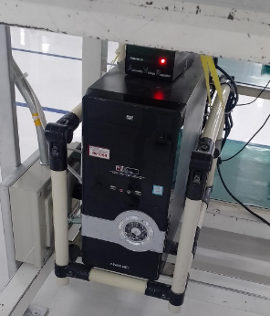
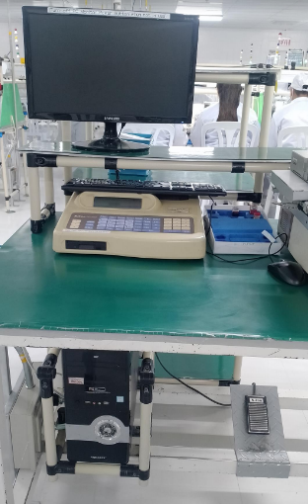
Problem: Cannot turn on the CPU
 | <> Currently, we cannot use the measurescope due to this problem

Details:
Area: TS - F3 (Probe Pin IPQC)
Measurescope No. : M#19

